Properties
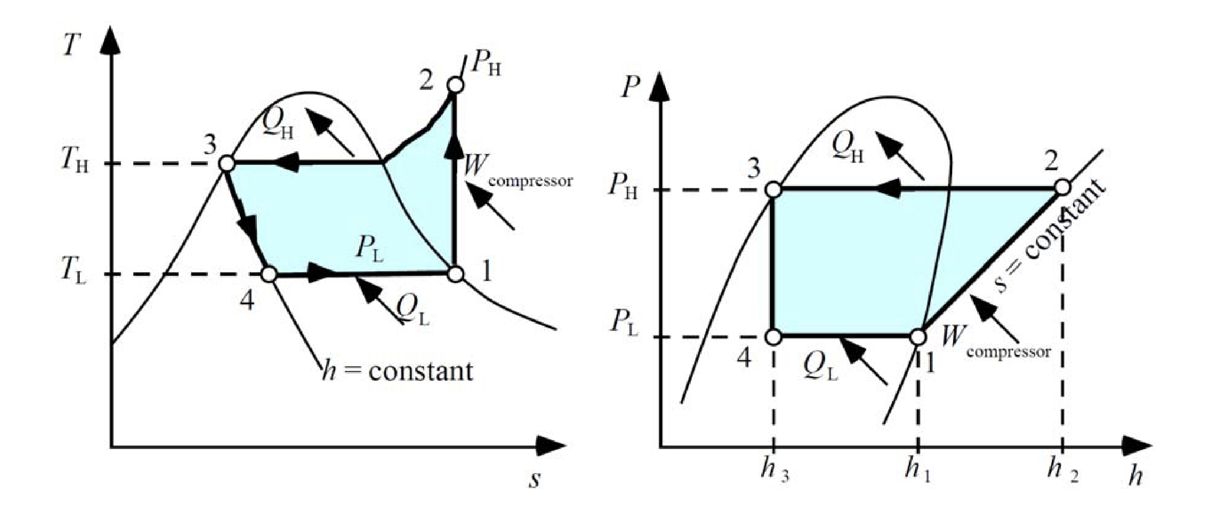
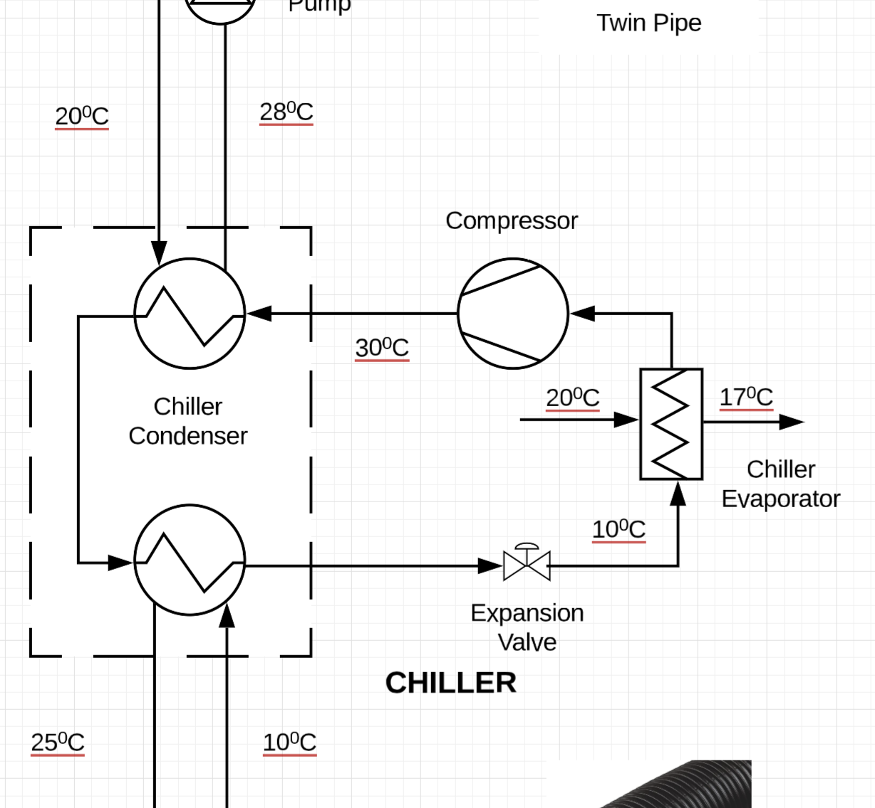
T0 | K | 273
Tcond, h | ºC | 30 | 303

 |  | Hot Sink |  | Cold Sink
 |  | ºC | K | ºC | K
Tin |  | 20 | 293 | 10 | 283
Tout |  | 28 | 301 | 25 | 298
ED | kW |  | 0.0183 | Qcond,h | 0.0390 | Qcond,c

 |  | Exergy Destruction Summary
 |  | Hot Sink | Cold Sink | Total
 |  | ED, h | ED, c | ED
Winter |  | 41,741 | 13,225 | 54,966
Spring/autumn |  | 39,842 | 24,957 | 64,799
Summer |  | 36,497 | 40,079 | 76,576

